Sheet1
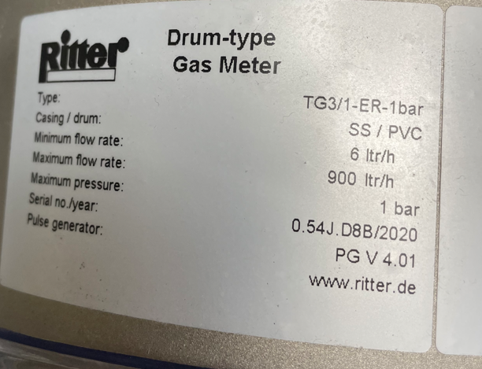
TG3/1 Ritter Gas Flow Meter |  |  |  |  |  |  | TG3/1 Ritter Gas Flow Meter
Flow Rate (Liters/Hour) | Flow Rate (cuft/hr) | Totalized Flow (cu.ft) | Totalized Flow (cu.ft)-Ideal | Notes |  |  | Flow Rate (Liters/Hour) | Totalized Flow (Liters)
4 | 0.14 | 1 |  |  |  |  | 4
20 | 0.71 | 1 |  |  |  |  | 250
500 | 17.66 | 6 |  |  |  |  | 460 | 850
900 | 31.78 | 6 |  | Calibration Zero Point |  |  | 900 | Calibration Zero Point
1100 | 38.85 | 6 |  |  |  |  | 1100 | 1840
1300 | 45.91 | 6 |  |  |  |  | Everything in yellow is a flow/total that we use
 |  |  |  |  |  | 40519.5
TG10/4 Ritter Gas Flow Meter |  |  |  |  |  | 40404 | TG10/4 Ritter Gas Flow Meter
Flow Rate (Liters/Hour) | Flow Rate (cuft/hr) | Totalized Flow (cu.ft) | Totalized Flow (cu.ft)-Ideal | Notes |  | 47746.4 | Flow Rate (Liters/Hour) | Totalized Flow (Liters)
4 | 0.14 |  |  |  |  |  | 4
250 | 8.83 |  |  |  |  | 446 | 250
460 | 16.24 | 6 | 30 |  | 40519.5 | 223 | 460 | 850
1100 | 38.85 | 6 | 65 | Calibration Zero Point |  |  | 1100 | 1840
1300 | 45.91 |  |  |  |  |  | 1300
 |  |  |  |  |  |  | Everything in yellow is a flow/total that we use
Everything in yellow is a flow/total that we use

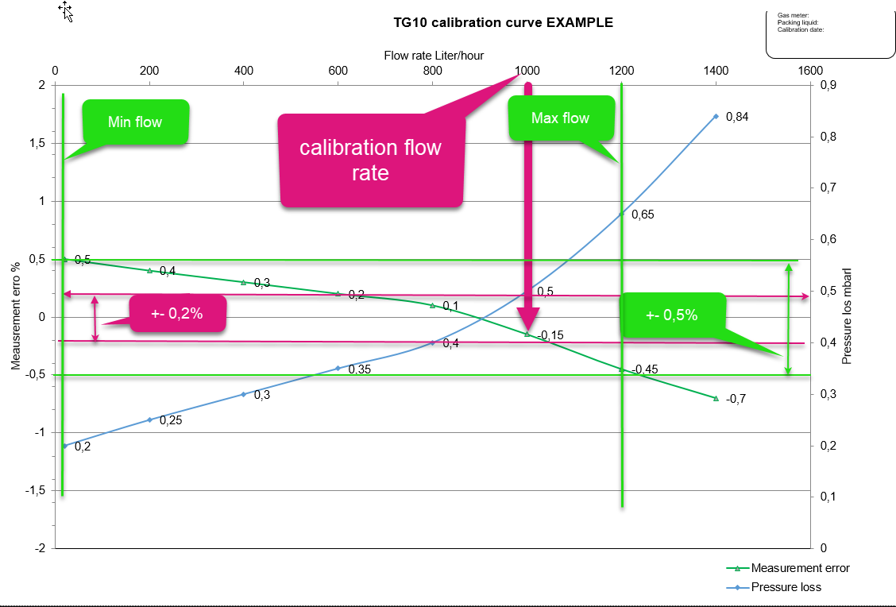

Data provided by Ritter

Sheet2
CBRE Calibration Points
No STP Correction.
Rate Calibration (Ideal HPLI Setting)
 | Fluke |  | Ritter |  | Timer (Minutes)
TG10/4 Ritter Flow Rate Calibration | Flow Rate (L/hr) | Totalization (L) | Totalization | Flow Rate (L/hr)
14 |  |  |  |  | 15
460 |  |  |  |  | 15
1100 |  |  |  |  | 15
1300 |  |  |  |  | 15

Rate Calibration (Upper HPLI Setting)
 | Fluke |  | Ritter |  | Timer (Minutes)
TG10/4 Ritter Flow Rate Calibration | Flow Rate (L/hr) | Totalization (L) | Totalization | Flow Rate (L/hr)
1300 |  |  |  |  | 15

Rate Calibration (Lower HPLI Setting) |  |  |  |  |  | -0.1 | -0.5
 | Fluke |  | Ritter |  | Timer (Minutes) | 0.3 | 0.3
TG10/4 Ritter Flow Rate Calibration | Flow Rate (L/hr) | Totalization (L) | Totalization (L) | Flow Rate (L/hr) |  |  | 0.8
1300 |  |  |  |  | 15 | 0.4

Totalization Calbration (Ideal HPLI Setting)
 | Fluke | Ritter | Timer (Minutes)
TG10/4 Ritter Totalization Calibration | Totalization (L) | Totalization (L)
1100 |  |  | 100

1.544.7HI
Description | Nominal | Tol - | Tol + | As Found | As Left | Units | Verdict | % Difference
Flow Rate | 14.63 | 14.48 | 14.78 | 14.72 | 14.72 | L/h | P | 0.61517429938
Flow Rate | 478.5 | 473.72 | 483.29 | 479.75 | 479.75 | L/h | P | 0.26123301985
Flow Rate | 1117.08 | 1105.9 | 1128.25 | 1118.66 | 1118.66 | L/h | P | 0.14144018334
Flow Rate | 1303.98 | 1290.94 | 1317.02 | 1311.12 | 1311.12 | L/h | P | 0.54755441034
Totalized flow for 15 mins | 3.7 | 3.66 | 3.74 | 3.68 | 3.68 | L | P | -0.54054054054
Totalized flow for 15 mins | 120 | 118.8 | 121.2 | 119.9 | 119.9 | L | P | -0.083333333333
Totalized flow for 15 mins | 280 | 277.2 | 282.8 | 279.58 | 279.58 | L | P | -0.15
Totalized flow for 15 mins | 325.99 | 322.73 | 329.25 | 327.84 | 327.84 | L | P | 0.56750207062
Totalized flow for 100 mins at 1100 L/h | 1916.99 | 1897.82 | 1936.16 | 1908.49 | 1908.49 | ltr/h | P | -0.44340346063

Lower limit Verification rate | 1296.6 | 1283.63 | 1309.56 | 1286.49 | 1286.49 | ltr/h | L | -0.77973160574
Totalized flow | 324.15 | 320.91 | 327.39 | 321.5 | 321.5 | L | L | -0.81752275181
Upper Limit Verification rate | 1311.78 | 1298.66 | 1324.9 | 1323.39 | 1323.39 | ltr/h | L | 0.88505694552
Totalized flow | 327.95 | 324.67 | 331.22 | 330.82 | 330.82 | L | L | 0.87513340448

